
 |  |  |  | CODE: |  |  | pl1009 ab SN from 98F558
DESCRIPTION: |  | SQUEEGEE 800 |  | SQUEEGEE 800 | SQUEEGEE 800 | SQUEEGEE 800 | SQUEEGEE 800
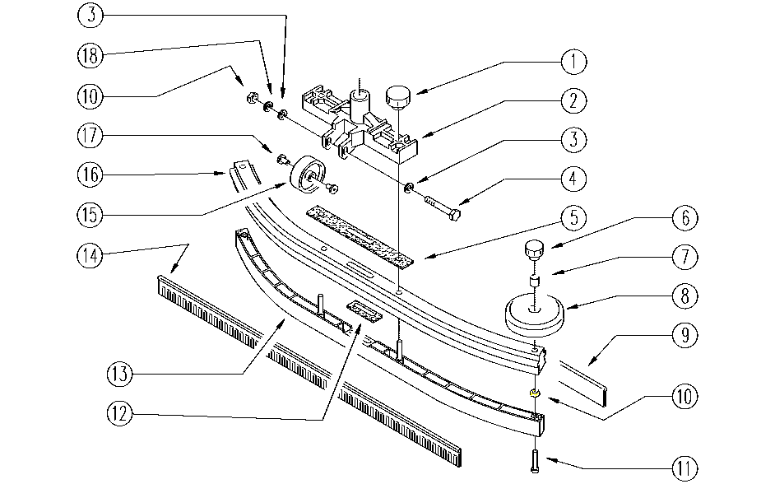

 | CODE | DESCRIPTION | QT

 | GR1503 | SQUEEGEE UNIT
1 | E89458 | Squeegee Knob | 2
2 | E89511 | Suction Point for AS20 | 1
3 | E86427 | Washer for AS20 | 2
4 | E86499 | Hex Bolt M6x55 SS | 1
5 | E86959 | Gasket | 1
6 | E86850 | Knob | 2
7 | E86452 | AS20 Spacer | 2
8 | E86451 | AS20 Wheel | 2
9 | E86303 | AS20 Front Curved Squeegee | 1
10 | E86873 | Nut | 3
11 | E86435 | AS20 Battery Cable Screw | 2
12 | E89457 | Gasket | 1
13 | E86488 | AS20 Insert | 1
14 | E86304 | AS20 Rear Curved Squeegee | 1
15 | E86406 | Wheel D 60 | 1
16 | E87800 | Complete Squeegee for WS20/24 | 1
17 | E86498 | Wheel Bushing | 2
18 | E86716 | Cham Washer | 1

